Instructions
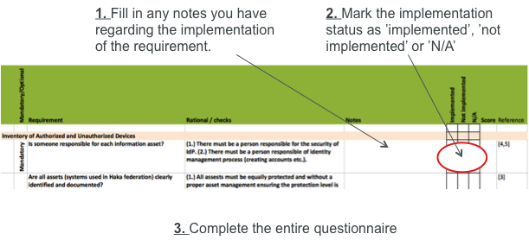

Score
 | Requirement
1. Inventory of Authorized and Unauthorized Devices | 0
2. Secure Configurations for Software on Workstations and Servers | 0
3. Boundary Defense & Secure Configurations for Network Devices | 0
4. Maintenance, Monitoring, and Analysis of Security Audit Logs | 0
5. Application Software Security | 0
6. Controlled Use of Administrative Privileges | 0
7. Controlled Access Based on the Need to Know | 0
8. Continuous Vulnerability Assessment and Remediation | 0
9. Account Monitoring and Control | 0
10. Privacy | 0
11. Data Recovery & Incident Response Capability | 0
12. Security Skills Assessment and Appropriate Training | 0

